7.4.8.2
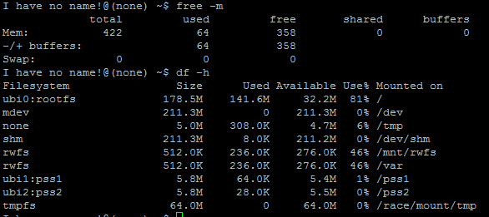
 |  |  |  |  |  | test environment : 1.no CAN signal 2.no usb , sd card, phone. 3.power on , in Tuner desktop HW:555

 |  |  |  |  |  |  | f

RAM | 256M/DDR |  | free -m
used | 65536 |  |  | 64
logo(FB0) | 16384 |  |  | 16
uboot,Kernel | 8192 |  |  | 8
gpu | 65536 |  |  | 64
Total | 155648 | 524288
Usage Rate |  | 0.296875
ROM | 256M/Nandflash |  | df -h | Actual | Plan
kernel | 2877.44 |  |  | 2.81 | 12
uboot | 142.336 |  |  | 0.139 | 4
logo(MTD3) | 1495.04 |  |  | 1.46 | 12
PSS1 | 10240 |  |  | 10 | 10
PSS2 | 10240 |  |  | 10 | 10
UBI file system | 30208 |  |  | 29.5 | 29.5
rootfs | 144998.4 |  |  | 141.6 | 178.5
Update buffer | 40960 |  |  | 40 | 40
Total | 241161.216 | 262144
Usage Rate |  | 0.91995703125

